Receivers
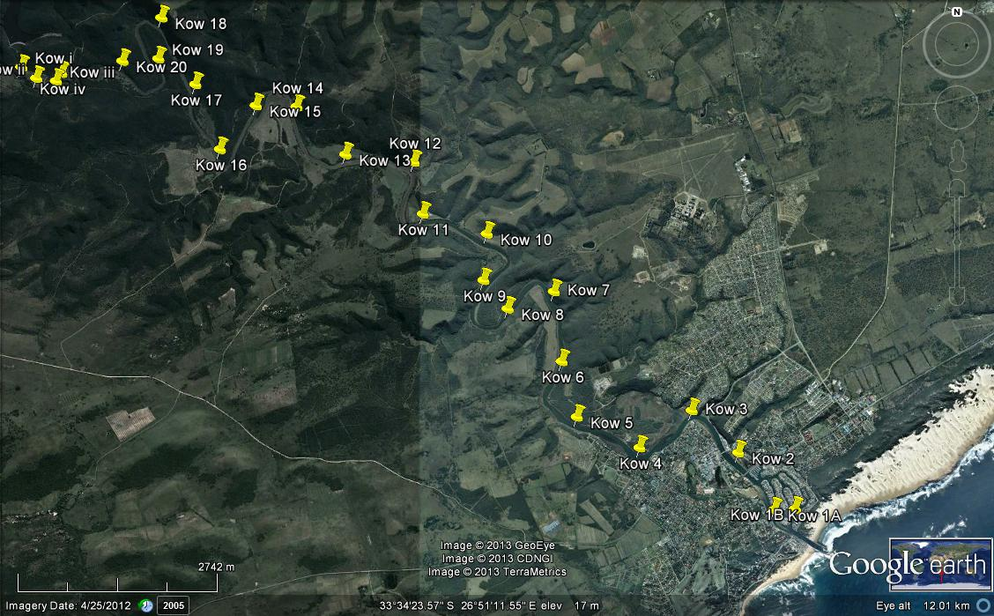
KOWIE ESTUARY RECEIVERS

Estuary name | Station # | Date deployed | Time deployed (SA) | Time deployed (UTC) | Latitude | Longitude | TEMP LOG | VR2W | Date & time iInitialised (UTC) | Voltage | Comments
KOWIE | 1A | 11-Jan-13 | 10:32:00 | 8:32:00 | -33.599555 | 26.897367 |  | 119623 | 14-Dec-12; 09:16:47 | 3.53 | All receivers had their Firmware upgraded to v. 3.0.3 and CodeMap set to 113.
 | 1B |  |  |  | -33.59969 | 26.89424
 | 2 | 11-Jan-13 | 10:48:00 | 8:48:00 | -33.592558 | 26.88885 | 10185642 | 119624 | 14-Dec-12; 09:22:59 | 3.54
 | 3 | 11-Jan-13 | 11:15:00 | 9:15:00 | -33.587267 | 26.881831 |  | 119625 | 14-Dec-12; 09:28:25 | 3.55
 | 4 | 12-Jan-13 | 10:20:00 | 8:20:00 | -33.591932 | 26.874007 |  | 119626 | 14-Dec-12; 09:34:18 | 3.54
 | 5 | 12-Jan-13 | 10:40:00 | 8:40:00 | -33.588052 | 26.864577 | 10214985 | 119627 | 14-Dec-12; 09:40:38 | 3.51
 | 6 | 12-Jan-13 | 10:56:00 | 8:56:00 | -33.581145 | 26.86232 |  | 119628 | 14-Dec-12; 09:46:17 | 3.52
 | 7 | 12-Jan-13 | 11:11:00 | 9:11:00 | -33.572408 | 26.861155 |  | 119629 | 14-Dec-12; 09:51:58 | 3.51
 | 8 | 12-Jan-13 | 11:42:00 | 9:42:00 | -33.574557 | 26.854206 | 10214986 | 119630 | 14-Dec-12; 09:59:02 | 3.50
 | 9 | 12-Jan-13 | 12:20:00 | 10:20:00 | -33.571002 | 26.850579 |  | 119631 | 14-Dec-12; 10:05:33 | 3.55
 | 10 | 12-Jan-13 | 12:43:00 | 10:43:00 | -33.565183 | 26.851083 |  | 119632 | 14-Dec-12; 10:11:50 | 3.53
 | 11 | 12-Jan-13 | 13:05:00 | 11:05:00 | -33.562706 | 26.841482 | 10214987 | 119633 | 14-Dec-12; 10:18:07 | 3.54
 | 12 | 13-Jan-13 | 11:15:00 | 9:15:00 | -33.556263 | 26.840143 |  | 119634 | 14-Dec-12; 10:22:49 | 3.57
 | 13 | 13-Jan-13 | 11:31:00 | 9:31:00 | -33.555266 | 26.829861 |  | 119635 | 14-Dec-12; 10:27:27 | 3.50
 | 14 | 13-Jan-13 | 11:50:00 | 9:50:00 | -33.549274 | 26.822509 | 10214988 | 102283 | 09-Jan-13; 10:04:58 | 3.61
 | 15 | 13-Jan-13 | 12:06:00 | 10:06:00 | -33.549134 | 26.816396 |  | 102285 | 09-Jan-13; 09:51:00 | 3.45
 | 16 | 13-Jan-13 | 12:18:00 | 10:18:00 | -33.554608 | 26.811017 |  | 102286 | 09-Jan-13; 09:59:33 | 3.63
 | 17 | 13-Jan-13 | 12:35:00 | 10:35:00 | -33.54648 | 26.807313 | 10214990 | 102287 | 09-Jan-13; 09:46:31 | 3.58
 | 18 | 13-Jan-13 | 12:49:00 | 10:49:00 | -33.538312 | 26.802459 |  | 102289 | 09-Jan-13; 09:55:11 | 3.6
 | 19 | 13-Jan-13 | 13:03:00 | 11:03:00 | -33.543292 | 26.801804 |  | 102291 | 09-Jan-13; 10:09:35 | 3.47
 | 20 | 13-Jan-13 | 13:25:00 | 11:25:00 | -33.543635 | 26.796509 | 10214991 | 119616 | 09-Jan-13; 10:15:02 | 3.54

